Sheet1
PIONEER SERVICES

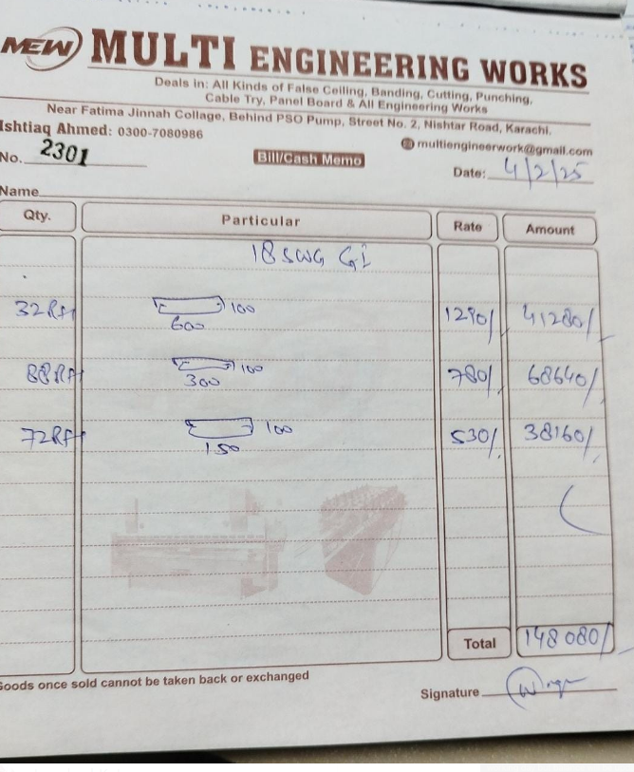

M/S AAA PARTNERSHIP PVT. LTD. |  |  |  |  |  |  |  | 2025-02-04

Project: NICVD JPMC Karachi

Attn: Mr. Azam Hayat Khan

Variation order No 1
Variation order for Cable tray

S. # | Description | Material Rate | Labour Rate | Over Head profit 28% | Total Rates | Unit | Qty | Amount
1 | Providing and installation of 18 SWG cable tray at roof area for the following sizes:
i | 600 x 100 | 1,290 | 200 | 417 | 1,907 | Rft | 32 | 61,030
ii | 300 x 100 | 780 | 180 | 269 | 1,229 | Rft | 88 | 108,134
iii | 150 x 100 | 530 | 150 | 190 | 870 | Rft | 72 | 62,669
2 | Providing and installation of hangers and supports. | 75,000 | 15,000 | 25,200 | 115,200 | Job | 1 | 115,200
Total Amount Rs. |  |  |  |  |  |  |  | 347,034

Note: Vendor quotation attached

Thanking you,

For PIONEER ENGINEERING SERVICES.

Bilal Habib

